COVER
Fitz Roy Patagonia SL |  |  | COVER

STYLE REFERENCE: |  |  | CALENDAR:
NAME: | Poncho Andino |  | ITEM | IN-HOUSE DATE | Attention:
SEASON: | AW 25/26 |  | Lab Dips
VENDOR: |  |  | Knitdowns
COO: |  |  | Protos
CREATED BY: | Carolyn Chandler |  | Swing tickets
DATE SENT: | 23/04/2025 |  | Sales Samples
REVISED |  |  | Bulk Delivery Landed
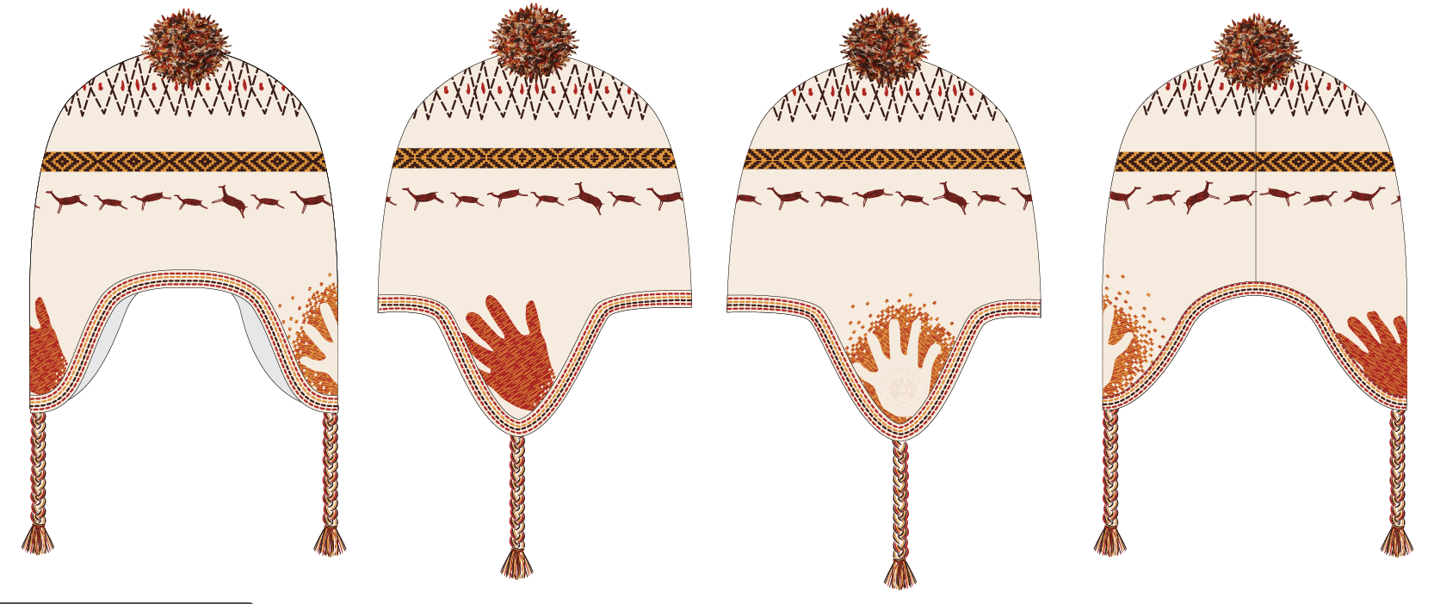
Front Side Back
REVISIONS
DATE | NAME | TAB | DESCRIPTION

SKETCHES
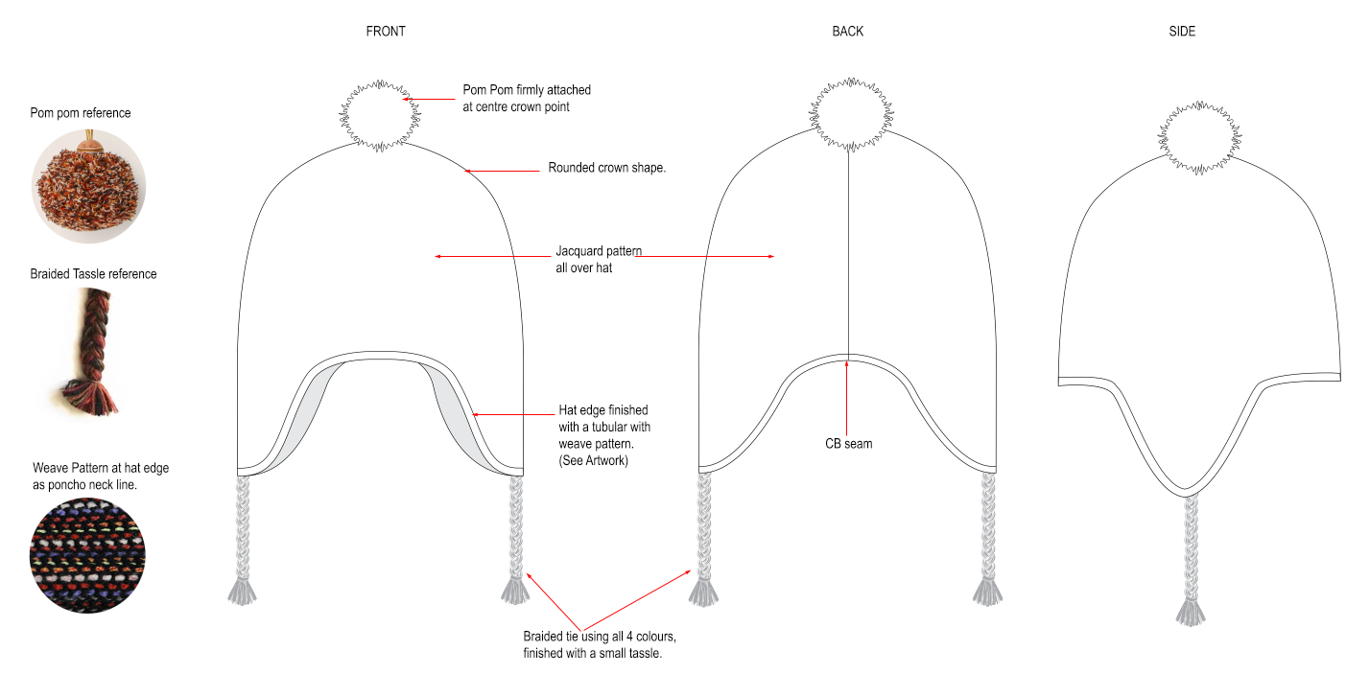
Fitz Roy Patagonia SL |  | Tech Sketches

FLAT SKETCH

DETAIL SKETCH

CODE | DESCRIPTION |  | MEASUREMENT
A
B
C

LABELLING
Fitz Roy Patagonia SL |  | Labelling
 |  |  | Your Brand
Branding and Care Label
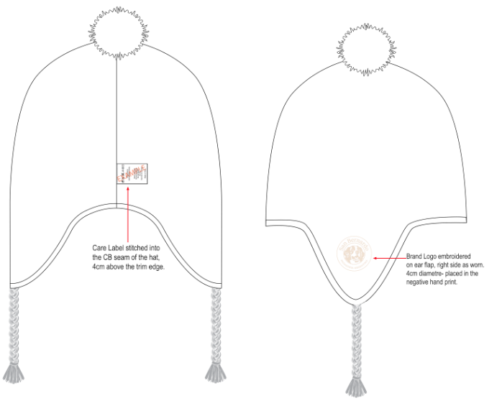

REf | DESCRIPTION |  |  | MEASUREMENT

ARTWORK
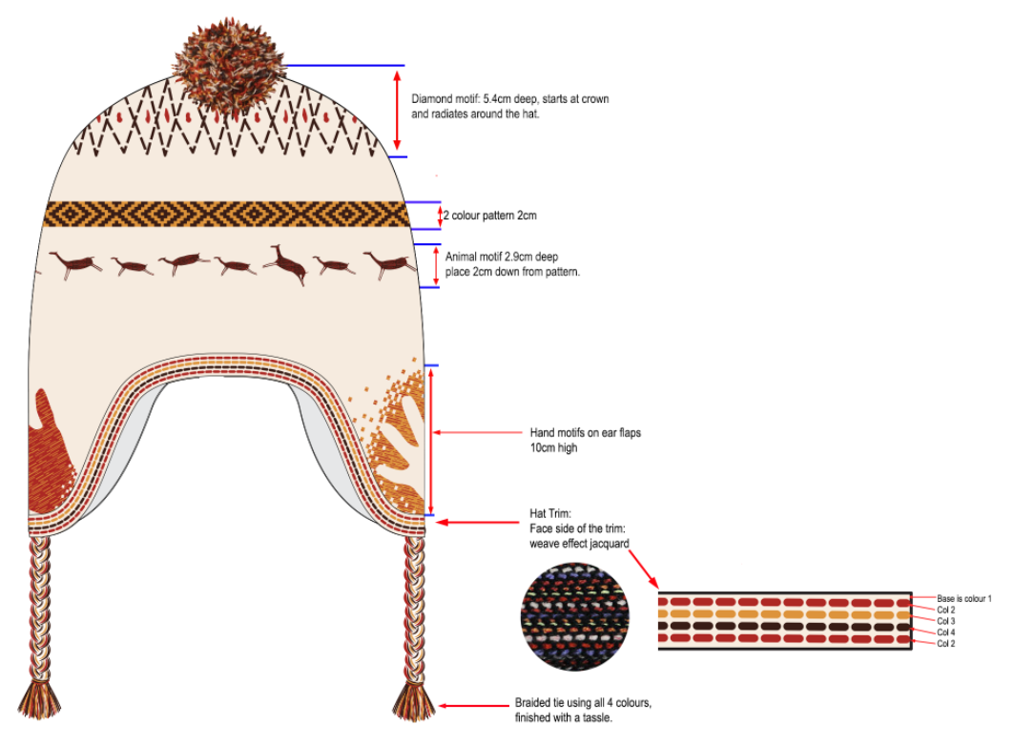
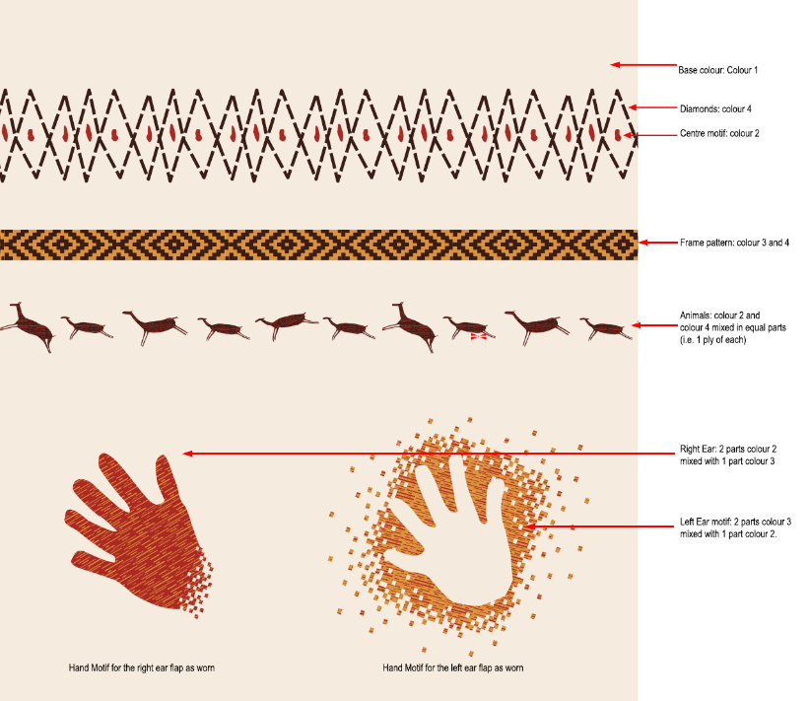
Fitz Roy Patagonia SL | Placement
 |  | Please scroll down
Artwork scale

COLOURWAYS
Fitz Roy Patagonia SL |  |  |  |  | COLOURWAYS

Colourway 1 |  |  |  |  | Colourway 2
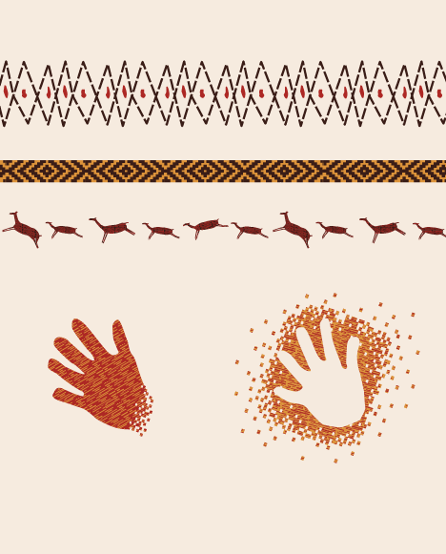 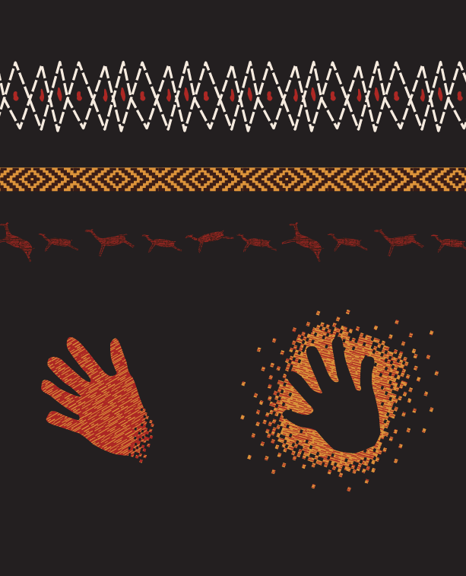

 | Colour 1 | Colour 2 | Colour 3 | Colour 4 | Colour 5
Colour | Off white | Red | Mustard | Brown
Colour hex code | f7ece0 | af230d | db933a | 3a1e18
Colour image
Colour | Off white | Red | Mustard | Brown | Black
Colour hex code | f7ece0 | af230d | db933a | 3a1e18 | /
Colour image

POINTS OF MEASURE
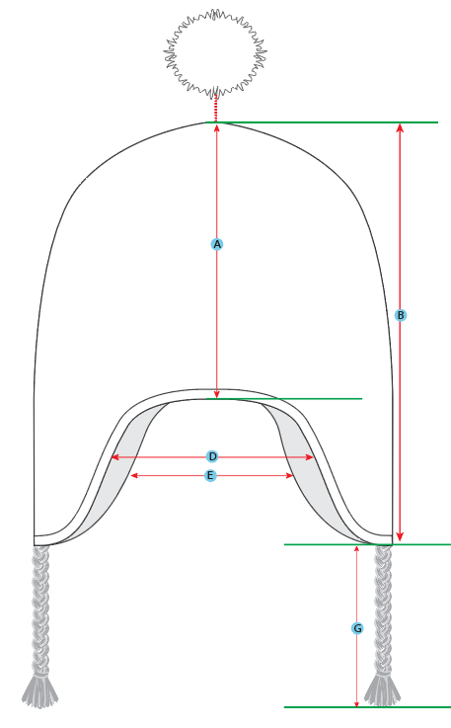 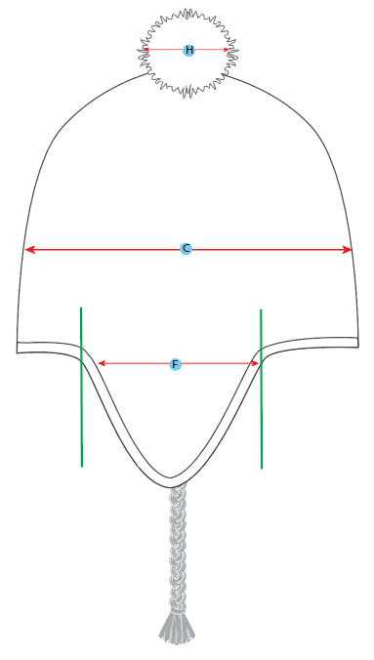
Fitz Roy Patagonia SL | Points of Measure

